XBRL upload
XBRL upload instructions |  | 2

 | 1. How to create and save an XBRL file
 | Fill in the reporting form in the "Regnskabsstatistik" worksheet. Make sure that all of the gray cells are filled in.

 | The "XBRL" worksheet shows the items as they appear in XBRL format.
 | Copy column P to e.g. Notepad and save it. Now your XBRL file is created.

 | Please note: If you use Notepad to create and save the XBRL file, the file must be saved with UTF-8 encoding - see figure A below.
 | The file will be rejected if it is not saved with UTF-8 encoding.

 | Figure A

 | 2. Start
 | Go to our homepage:
 | www.dst.dk/regn

 | Choose the ¨REPORT VIA XBRL FORMAT¨ button:

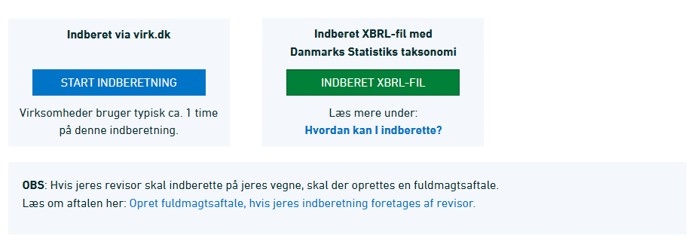

 | Login with MitID Erhverv provided by your company and click ¨Start selvbetjening¨.
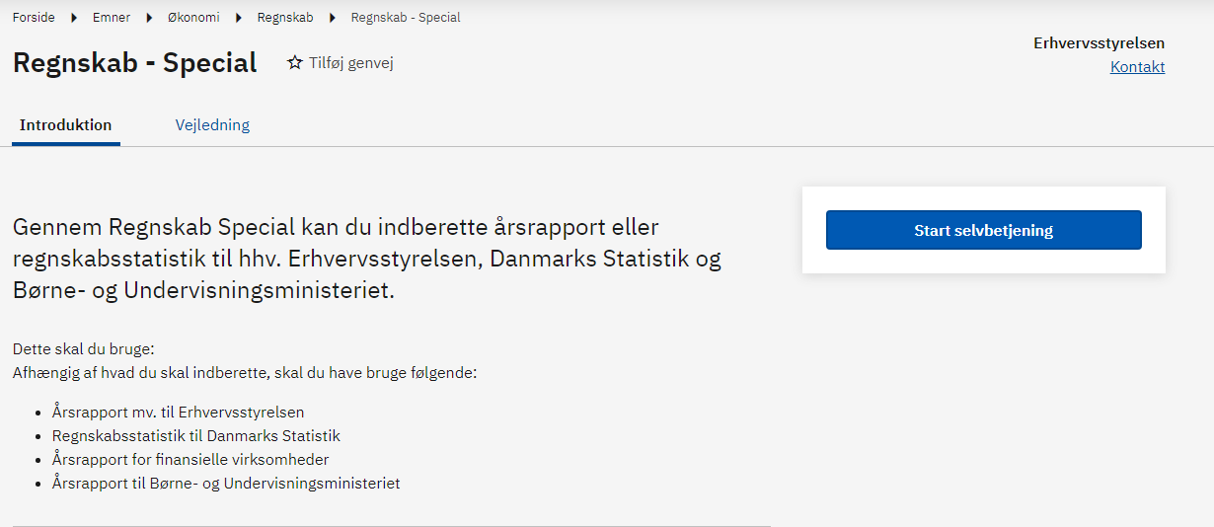

 | 2.1 Virk.dk - Business accounts statistics
 | Under ¨Vælg den ønskede indberetning og myndighed¨ you must choose:
 | Regnskabsstatistik til Danmarks Statistik
 | Click on the ”Næste” button to continue.

 | 2.2 Upload the XBRL file
 | Click on the ”Vælg fil” button to upload your XBRL file. Click on the ”Næste” button to continue.

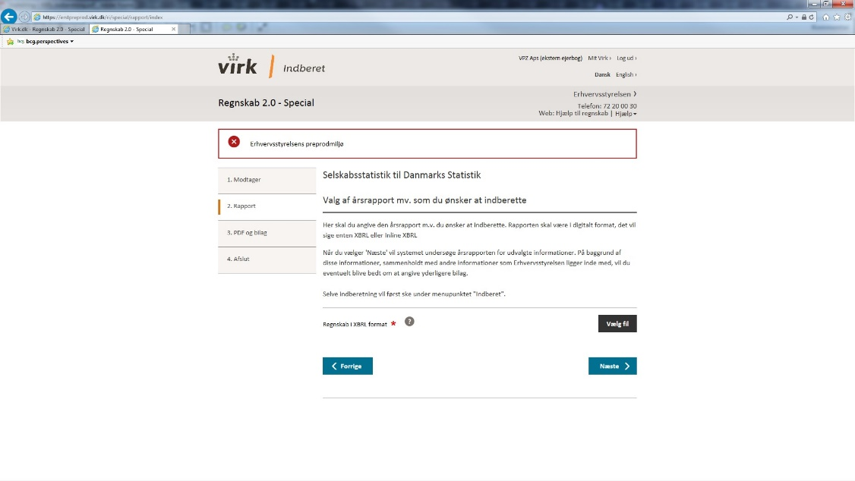

 | Note: If you have generated the XBRL file yourself using this spreadsheet, you must select "All files" in the file browser, in order to see it.

 | 2.3 Test the XBRL file and and submit your report
 | You can now test your XBRL file and submit the report.
 | Please check that the company name and CVR number you are reporting for, appear in the overview.

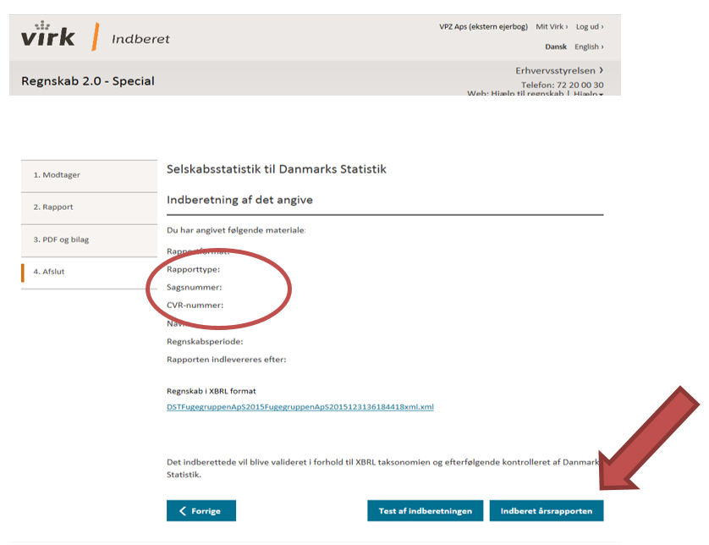

 | 3. Receipt
 | You will receive a receipt once the report has been submitted.

