XBRL upload
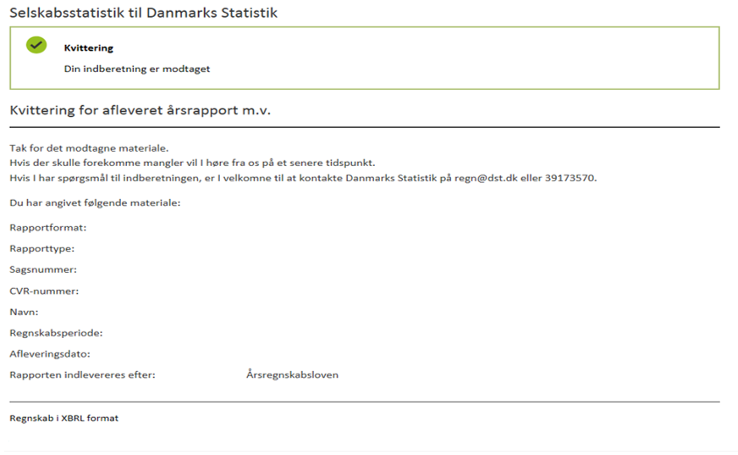
How to upload the XBRL-file
 | This is a guide to create an XBRL-file to report to the Financial & Accounting Statistic 2021 to Statistics Denmark

 | 1. How to create and save an XBRL-file
 | Fill in the reporting form for the chosen company in the worksheet "Regnskabsstatistik". All the gray fields must be filled in for the report to be correct.

 | The worksheet " XBRL" contains the whole XBRL taxonomy
 | Copy column P to eg. Notepad and save it.

 | If you use Notepad to create and save the XBRL-file please remember to change the format to an UTF-8 code - figure A below
 | If you do not save the format as an UTF-8 code your file will be rejected when you try to upload it

 | Figure A

 | 2. Start
 | Go to our homepage
 | www.dst.dk/regn

 | Choose the ¨INDBERET XBRL¨ button to begin

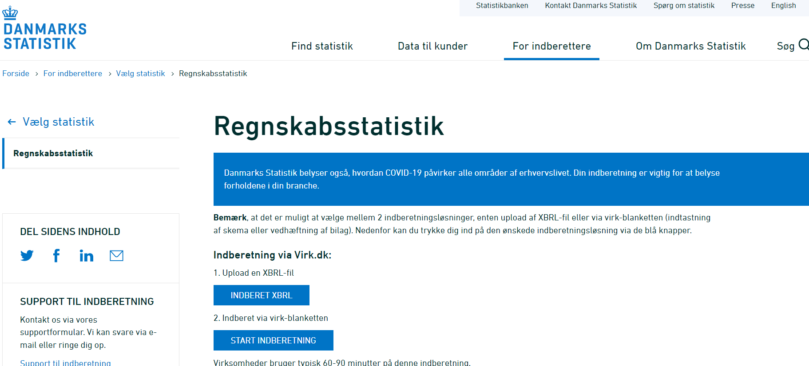

 | Login with the emplyee digital signature (NemId medarbejdersignatur) provided by your company Press ¨Start selvbetjening¨
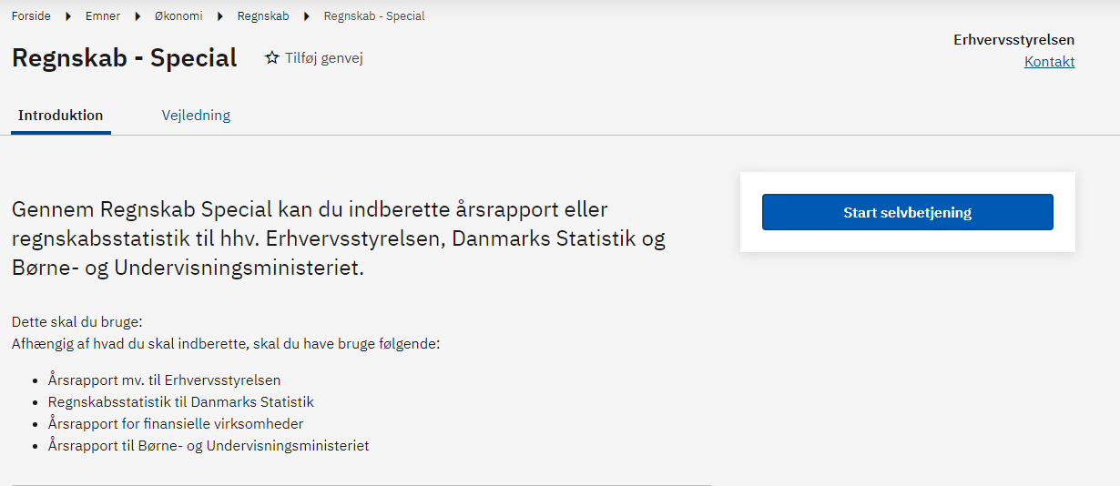

 | 2.1 Virk.dk - Financial & Accounting Statistic
 | In the section below: ¨vælg den ønskede indberetning og myndighed¨ you must choose the item:
 | Regnskabsstatistik til Danmarks Statistik
 | Click on the ”næste”-button to continue

 | 2.2 Upload XBRL file
 | Click on the ”vælg fil”- button to find and upload the XBRL-file and click on the ”næste” - button to continue

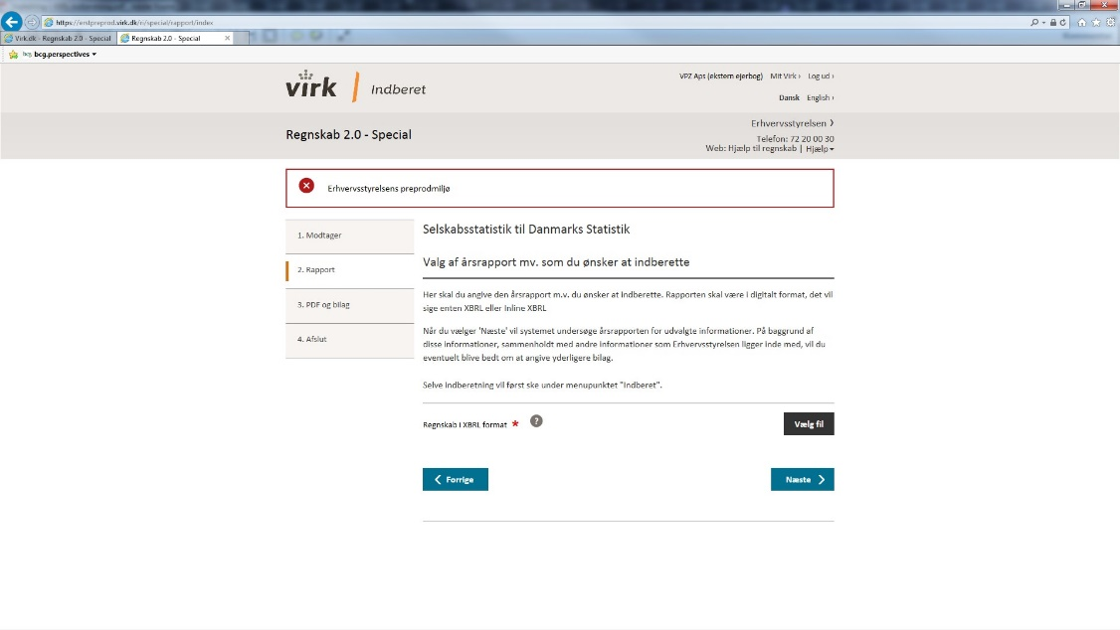

 | 2.3 Test the XBRL file and send the report
 | If you wish to test the XBRL file i correct, you can press the ' Test' button Or you can upload the report to Statistic Denmark
 | REMINDER: Please remember to control that the companys name (Navn) and the cvr. no (CVR-nummer) is correct.

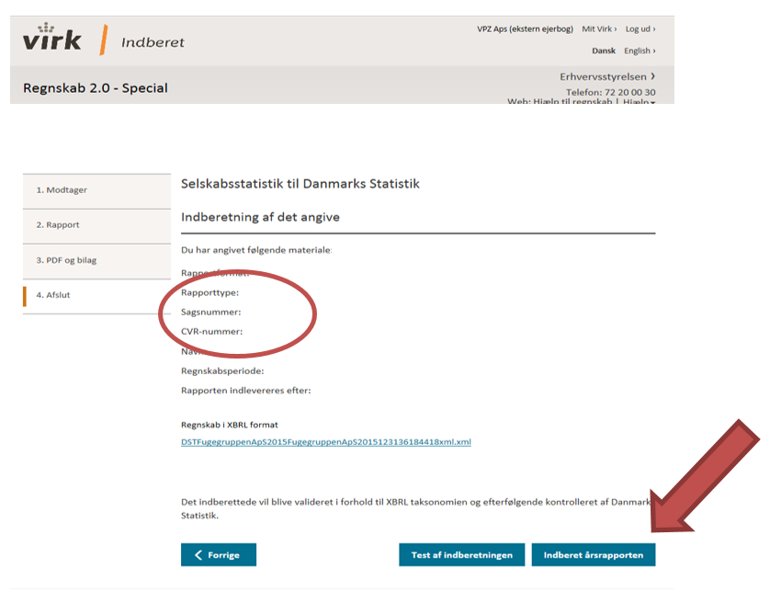

 | 3. Receipt
 | You wil receive a receipt as a validation that the report have been received and accepted

